Workout
Accounting and Financial Analysis

Workout
 | Calculate operating working capital.

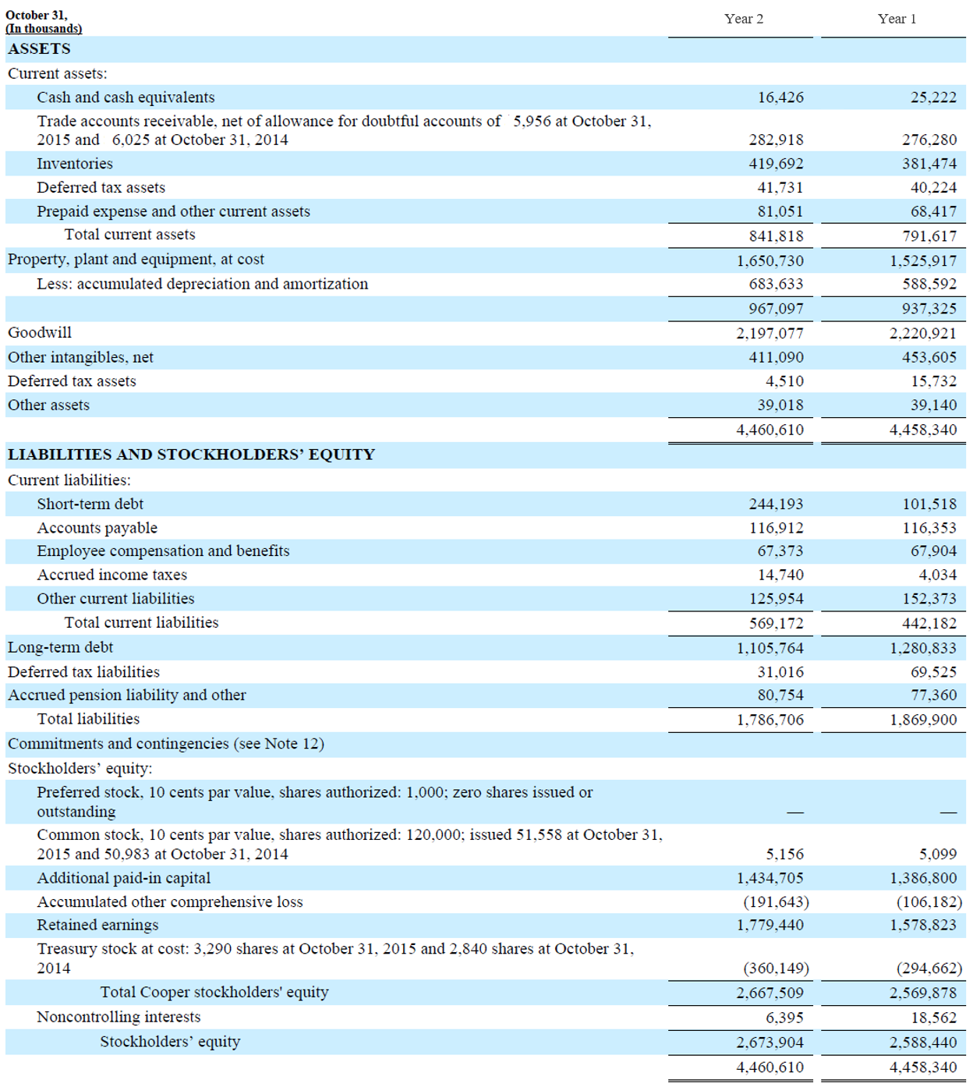

 |  | Year 2 | Year 1
 | Trade accounts receivable | 282,918.0 | 276,280.0
 | Inventories | 419,692.0 | 381,474.0
 | Deferred tax asset | 41,731.0 | 40,224.0
 | Prepaid expense and other current assets | 81,051.0 | 68,417.0
 | Operating current assets | 825,392.0 | 766,395.0

 | Accounts payable | 116,912.0 | 116,353.0
 | Employee compensation and benefits | 67,373.0 | 67,904.0
 | Accrued income taxes | 14,740.0 | 4,034.0
 | Other current liabilities | 125,954.0 | 152,373.0
 | Operating current liabilities | 324,979.0 | 340,664.0

 | OWC | 500,413.0 | 425,731.0

Workout
 | Calculate operating working capital.
 | What do you notice about the OWC level?

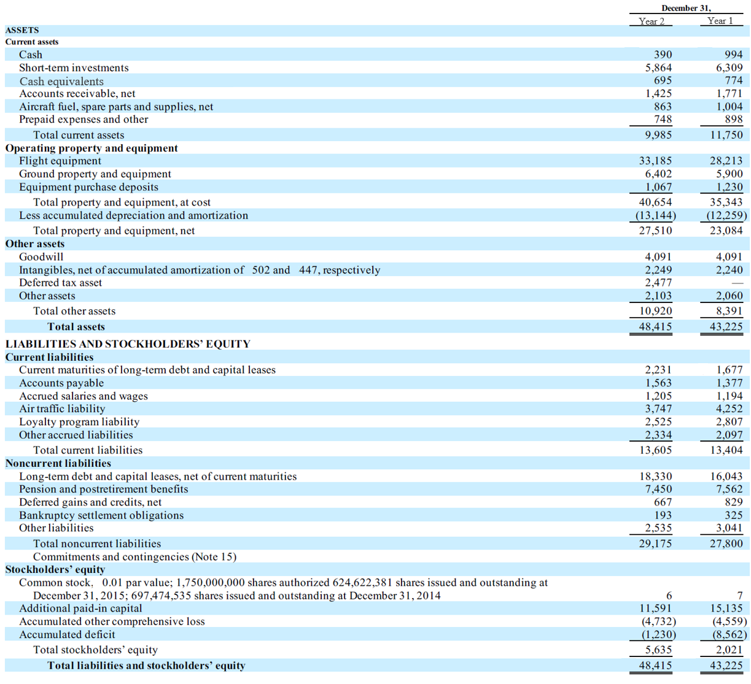

 |  | Year 2 | Year 1
 | Accounts receivable | 1,425.0 | 1,771.0
 | Aircraft fuel, spare parts and supplies | 863.0 | 1,004.0
 | Prepaid expenses | 748.0 | 898.0
 | Operating current assets | 3,036.0 | 3,673.0

 | Accounts payable | 1,563.0 | 1,377.0
 | Accrued salaries and wages | 1,205.0 | 1,194.0
 | Air traffic liability | 3,747.0 | 4,252.0
 | Loyalty program liability | 2,525.0 | 2,807.0
 | Other accrued liabilities | 2,334.0 | 2,097.0
 | Operating current liabilities | 11,374.0 | 11,727.0

 | OWC | (8,338.0) | (8,054.0)
 | The OWC is negative in both periods, indicating that it is providing a source of cash to the company.

End

